ReadMe
Project Chassis myTimeKeeper Tool
Information

Security Notice: The tool and the information contained within is CONFIDENTIAL and unauthorized disclosure and/or tampering is prohibited. Failure to observe Accenture policy regarding proprietary information can result in disciplinary action, including dismissal, and can subject you and/or third parties to legal liability.

Table of Contents
Version | This worksheet shows the version history of the tools, the modification and the person in-charge on the update.
ReadMe | This worksheet shows the step-by-step process on how to use the tool.
EmployeeHub | This worksheet is where the tool needs to be executed.
Report | This worksheet shows the quarterly Log-in details of the resource
Resource | This is a hidden worksheet which SHOULDN'T be altered by an unathorized resource.

Purpose
myTimeKeeper is an automated tool which captures the resource's Time-In and Time-out information, in real-time. In case the resource needs to time-out early, all he/she needs is to choose the correct type of leave, its approver and the remaining hours needed to complete the 9hours production time. It also generates report which the resource can look into to check his/her daily logged in. Important: This TimeKeeping System of the Project, is an initiative work of Mr. Paul Ryan A. Dedumo and Mr. Paul Genesis Bermudez.

Instructions for Use
Step 1 | Setting Up
a. | Get the latest copy of the tool on the path below and SAVE it on your local drive:
 | \\10.72.144.7\Common\Attendance
Step 2 | Logging In
a. | Click the myTimeKeeper Logo

b. | LogIn form will pop-up, check the details on the box if it matches your Login ID, Current Date and Time
c. | click "LOG IN"
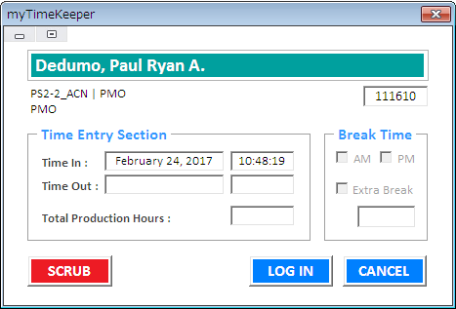

d. | Login Successful message will pop-up if your time-in is complete

e. | Check the report worksheet if it displays your Time-in info on that day
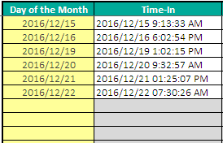

Step 3 | Logging Out
a. | If you have already Time-in info, Logout form will pop-up
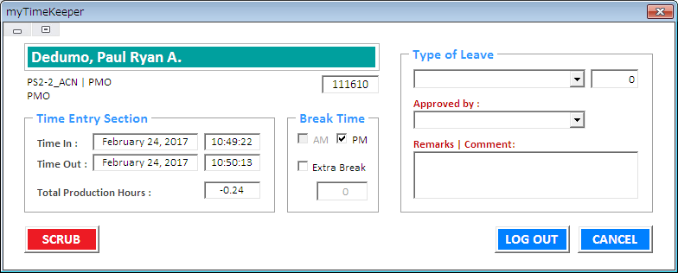

b. | It will show your Log Out details, tick and/or untick AM and PM break(s) if you haven't taken your breaks
c. | Incase you will leave the office undertime, fill up the Information column your total production time must be >= 9 hours
d. | Click Log out when done
e. | Logout Successful message will pop-up if your time-out is complete
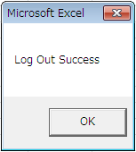

f. | Check the report worksheet if it displays your Time-Out info on that day
g. | In case you forgot to logout on that day, you cannot backtrack on the previous day. You must approach your Lead and/or PMO to scrub your details.
 | You must approach your Lead and/or PMO to scrub your details.
Step 4 | Scrub
a. | Managers, Leads and PMOs are the only authorized persons who can scrub the Logged details
b. | Click the Scrub icon to launch the Scrub Form

c. | Scrub Userform will pop-up and fill up the fields you wabt to scrub, and click Scrub
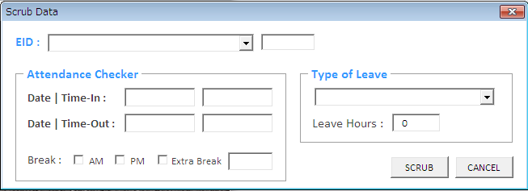

d. | Scrub successful message will pop-up if scrubbing is success
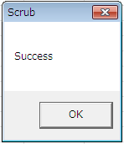

e. | Always save the changes when closing the workbook

EmployeeHub

EMPLOYEE SELF-SERVICE HUB
myProfile
myTimeKeeper

